Sheet1
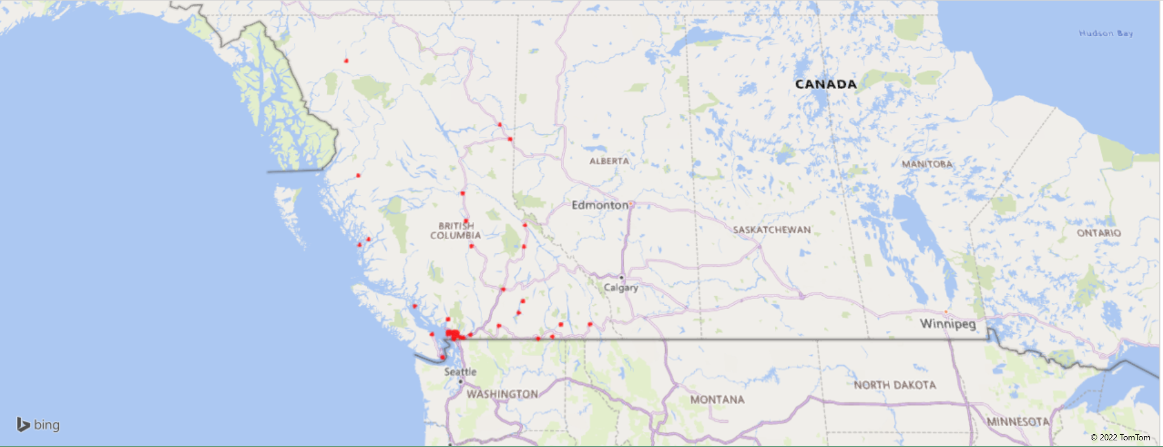
Observation | Sum Absent Hours | Store Location | Type | Inland/Coastal | Region | Area (Km2) | Population | Population Density (People/Km2)
1 | 121 | Blue River | Community | Inland | South East | NA | NA | NA
2 | 121 | Dease Lake | Town | Inland | North | 8.49 | 335 | 39.46
3 | 362 | Cortes Island | Island | Coastal | South West | 130 | 1,042 | 8.02 | Correlation | Sum Absent Hours | Median | 19 | 7759
4 | 492 | Valemount | Town | Inland | South East | 5.17 | 1,021 | 197.49 | Population Density (People/Km2) | 0.7149423721
5 | 586 | Pitt Meadows | Town | Inland | South West | 86.51 | 18,573 | 214.69 | Population | 0.74715820096
6 | 881 | Bella Bella | Community | Coastal | Center | NA | 1,019 | NA | Area (Km2) | 0.15877958482
7 | 926 | Ocean Falls | Town | Coastal | Center | NA | NA | NA
8 | 1494 | Princeton | Town | Inland | South Center | 59.6 | 2,828 | 47.45
9 | 1696 | Dawson Greek | City | Inland | Center | 24.37 | 12,978 | 532.54
10 | 1697 | Haney | Downtown | Inland | South West | NA | NA | NA
11 | 2424 | White Rock | City | Coastal | South West | 5.13 | 19,952 | 3889.28
12 | 2705 | Grand Forks | City | Inland | South East | 10.43 | 4,049 | 388.21
13 | 3307 | Fort Nelson | Town | Inland | North | 4.68 | 3,366 | 719.23
14 | 3952 | Nelson | City | Inland | South East | 11.93 | 10,664 | 893.88
15 | 5431 | Aldergrove | Community | Inland | South East | NA | NA | NA
16 | 5654 | Port Coquitlam | City | Inland | South West | 29.17 | 58,612 | 2009.32
17 | 5757 | Williams Lake | City | Inland | Center | 33.13 | 10,753 | 324.57
18 | 5997 | Fort St John | City | Inland | North | 22.69 | 20,155 | 888.28
19 | 7759 | Abbotsford | City | Inland | South West | 375.6 | 149,928 | 399.17
20 | 8084 | Quesnel | City | Inland | Center | 35.38 | 23,146 | 654.21
21 | 8316 | Langley | City | Inland | South West | 10.22 | 25,888 | 2533.07
22 | 8407 | Squamish | Town | Coastal | South West | 104.9 | 19,512 | 186.01
23 | 8620 | Vernon | City | Inland | South East | 95.76 | 40,116 | 418.92
24 | 9462 | Trail | City | Inland | South East | 34.93 | 7,709 | 220.70
25 | 11671 | Chilliwack | City | Inland | South West | 261.3 | 83,790 | 320.67
26 | 12309 | Terrace | City | Inland | Center | 57.36 | 15,569 | 271.43
27 | 14140 | Richmond | City | Coastal | South West | 129.7 | 216,288 | 1667.60
28 | 15955 | Surrey | City | Coastal | South West | 317.4 | 518,467 | 1633.48
29 | 17439 | Cranbrook | City | Inland | South East | 31.95 | 20,047 | 627.45
30 | 20578 | Burnaby | City | Coastal | South West | 98.6 | 249,197 | 2527.35
31 | 21008 | Kamloops | City | Inland | South East | 297.3 | 90,280 | 303.67
32 | 21058 | Prince George | City | Inland | Center | 318.3 | 74,003 | 232.49
33 | 24409 | Kelowna | City | Inland | South East | 211.8 | 132,084 | 623.63
34 | 35530 | New Westminster | City | Coastal | South West | NA | 70,996 | NA
35 | 37193 | Nanaimo | City | Coastal | Vancouver Island | 91.3 | 90,505 | 991.29
36 | 48613 | Victoria | City | Coastal | Vancouver Island | 19.47 | 92,141 | 4732.46
37 | 119539 | Vancouver | City | Coastal | South West | 115 | 675,218 | 5871.46

